Sheet1
Test Set Results (Total Teams = 43) |  |  |  |  | Training Time (mins) for 8000 training texts |  |  |  |  | Other
 | Task 1a (Accuracy/F1/Ranking) | Task 1b (RMSE/Ranking) | Task 1c (Accuracy/F1/Ranking) | Task 2a (RMSE/Ranking) |  | Task 1a | Task 1b | Task 1c | Task 2a
NaiveBayes | 0.841/0.8723/39 | -- | 0.4732/0.6058/12 | -- | NaiveBayes | 0.001191666667 |  | 0.0007 |  | based on 1 epoch
Perceptron | 0.811/0.8464/-- | -- | 0.5154/0.44403/-- | -- | Perceptron* | 1.6480 (second) | -- | 1.1324(second) | --
ColBERT(base_uncased) | 0.917/0.9321/33 | 0.5653/16 | 0.4976/0.5422/18 | 0.5278/24 | ColBERT(base_uncased) | 17 | 9.48 | 10.5 | 26.33 | based on 3 epochs
ColBERT(large_uncased) | 0.928/0.942/28 | 0.5324/4 | 0.4537/0.6242/5 | 0.4678/10 | ColBERT(large_uncased) | 45 | 46 | 38 | 76.4 | based on 3 epochs
AlBERT | 0.911/0.927/ranking | 0.5322 | 0.5235/0.4243 | 0.8239 | AlBERT | 2.85 | 2.46 | 2.325 | 1.1625 | based on 3 epochs

Dev Set Results |  |  |  |  | Predicting Time (seconds) for 1000 dev texts
 | Task 1a (Accuracy/F1) | Task 1b (RMSE/R2) | Task 1c (Accuracy/F1) | Task 2a (RMSE/R2) |  | Task 1a | Task 1b | Task 1c | Task 2a
NaiveBayes | 0.7960/0.8459 | -- | 0.5284/0.4949 | -- | NaiveBayes | 0.2952 |  | 0.12
Perceptron | 0.7850/ 0.879552 | -- | 0.518987/0.683333 | -- | Perceptron | 0.12079 | -- | 0.012635 | --
ColBERT (base_uncased) | 0.894/0.9167 | 0.5038/0.225 | 0.5491/0.6101 | 0.57/0.769 | ColBERT(base_uncased) | 7.8 | 4.8 | 1.8 | 3.6
ColBERT(large_uncased) | 0.918/0.9358 | 0.5332/0.1317 | 0.4873/0.6553 | 0.617/0.731 | ColBERT(large_uncased) | 19.8 | 15 | 7.2 | 19.8
AlBERT | 0.8750/0.8751 | 0.5828 | 0.551/0.549 | 0.76 | AlBERT | 7.8 | 1.2 | 3.24 | 3.18

 |  |  |  |  | * for task1c, only 4932 training texts

 |  |  |  |  |  |  |  | Task 1a (Accuracy)
 |  |  |  |  |  |  | NaiveBayes
 |  |  |  |  |  |  | Perceptron | 0.811
 |  |  |  |  |  |  | ColBERT (base_uncased) | 0.917
 |  |  |  |  |  |  | ColBERT (large_uncased) | 0.928
 |  |  |  |  |  |  | AlBERT | 0.911

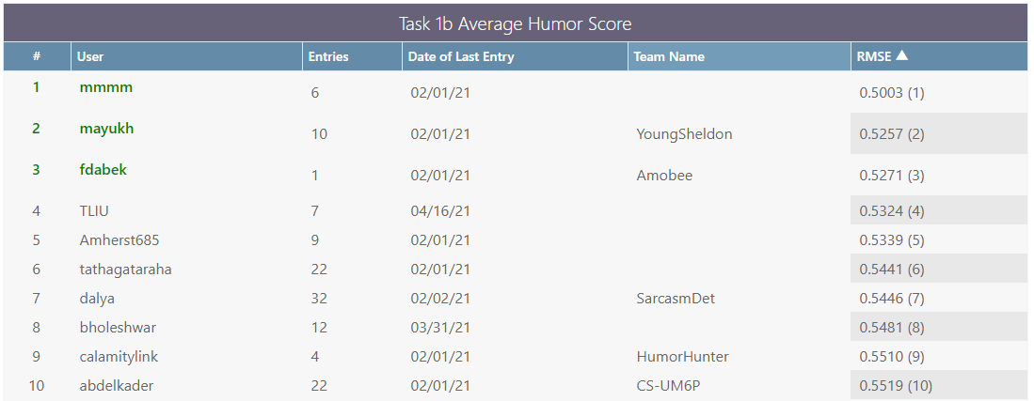

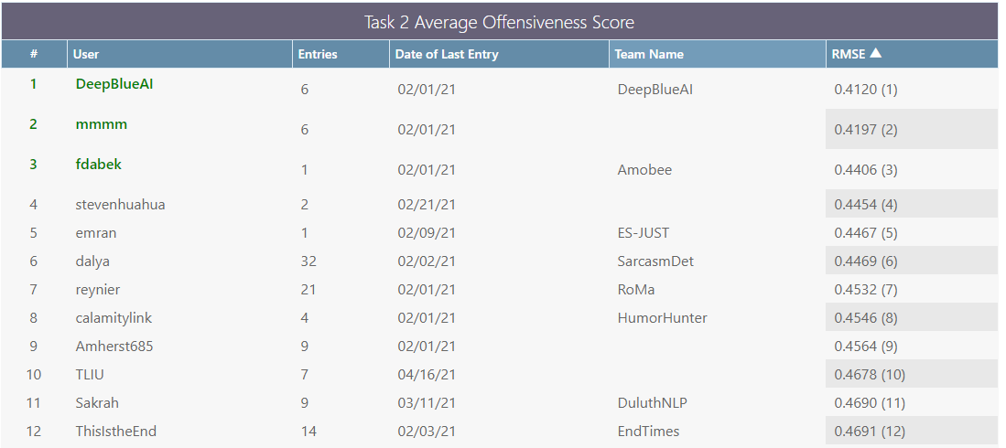

Task 1a (Accuracy and F1 Score)

Task 1b (RMSE)

Task 1c (Accuracy) and Task 1c (F1)

Test Set Results
Test Set Results (Total Teams = 43) |  |  |  |  |  | Training Time (mins) for 8000 training texts |  |  |  |  | Other
 | Task 1a (Accuracy/F1/Ranking) | Task 1b (RMSE/Ranking) | Task 1c (Accuracy/F1/Ranking) | Task 2a (RMSE/Ranking) |  |  | Task 1a | Task 1b | Task 1c | Task 2a
NaiveBayes |  | -- |  | -- |  | NaiveBayes | 0.001191666667 |  | 0.0007 |  | based on 1 epoch
Perceptron | 0.811/0.8464/-- | -- | 0.5154/0.44403/-- | -- |  | Perceptron* | 1.6480 (second) | -- | 1.1324(second) | --
ColBERT(base_uncased) | 0.917/0.9321/33 | 0.5653/16 | 0.4976/0.5422/18 | 0.5278/24 |  | ColBERT(base_uncased) | 17 | 9.48 | 10.5 | 26.33 | based on 3 epochs
ColBERT(large_uncased) | 0.928/0.942/28 | 0.5324/4 | 0.4537/0.6242/5 | 0.4678/10 |  | ColBERT(large_uncased) | 45 | 46 | 38 | 76.4 | based on 3 epochs
AlBERT | 0.911/0.927/ranking | 0.5322 | 0.5235/0.4243 | 0.8239 |  | AlBERT | 2.85 | 2.46 | 2.325 | 1.1625 | based on 3 epochs

Dev Set Results |  |  |  |  |  | Predicting Time (seconds) for 1000 dev texts
 | Task 1a (Accuracy/F1) | Task 1b (RMSE/R2) | Task 1c (Accuracy/F1) | Task 2a (RMSE/R2) |  |  | Task 1a | Task 1b | Task 1c | Task 2a
NaiveBayes | 0.7960/0.8459 | -- | 0.5284/0.4949 | -- |  | NaiveBayes
Perceptron | 0.7850/ 0.879552 | -- | 0.518987/0.683333 | -- |  | Perceptron | 0.12079 | -- | 0.012635 | --
ColBERT (base_uncased) | 0.894/0.9167 | 0.5038/0.225 | 0.5491/0.6101 | 0.57/0.769 |  | ColBERT(base_uncased) | 7.8 | 4.8 | 1.8 | 3.6
ColBERT(large_uncased) | 0.918/0.9358 | 0.5332/0.1317 | 0.4873/0.6553 | 0.617/0.731 |  | ColBERT(large_uncased) | 19.8 | 15 | 7.2 | 19.8
AlBERT | 0.8750/0.8751 | 0.5828 | 0.551/0.549 | 0.76 |  | AlBERT | 7.8 | 1.2 | 3.24 | 3.18

Task 1a (Accuracy and F1)

Test Set Results (Total Teams = 43)
 | Task 1a (Accuracy/F1/Ranking) | Task 1b (RMSE/Ranking) | Task 1c (Accuracy/F1/Ranking) | Task 2a (RMSE/Ranking)
NaiveBayes | 0.841/0.8723/39 | -- | 0.4732/0.6058/12 | --
Perceptron | 0.811/0.8464/-- | -- | 0.5154/0.44403/-- | --
ColBERT(base_uncased) | 0.917/0.9321/33 | 0.5653 | 0.4976/0.5422/18 | 0.5278/24
ColBERT(large_uncased) | 0.928/0.942/28 | 0.5324 | 0.4537/0.6242/5 | 0.4678/10
AlBERT | 0.911/0.927/ranking | 0.5322 | 0.5235/0.4243 | 0.8239

 |  |  |  | Task 1a (Accuracy) | Task 1a (F1)
 |  |  | NaiveBayes | 0.841 | 0.8723
 |  |  | Perceptron | 0.811 | 0.8464
 |  |  | ColBERT (base_uncased) | 0.917 | 0.9321
 |  |  | ColBERT (large_uncased) | 0.928 | 0.942
 |  |  | AlBERT | 0.911 | 0.927

 |  |  |  | Task 1b (RMSE)

Task 1b (RMSE)
 |  |  | ColBERT(base_uncased) | 0.5653
 |  |  | ColBERT(large_uncased) | 0.5324
 |  |  | AlBERT | 0.5322

Task 1c (Accuracy and F1)

 |  |  |  | Task 1c (Accuracy) | Task 1c (F1)
 |  |  | NaiveBayes | 0.4732 | 0.6058
 |  |  | Perceptron | 0.5154 | 0.44403
 |  |  | ColBERT (base_uncased) | 0.4976 | 0.5422
 |  |  | ColBERT (large_uncased) | 0.4537 | 0.6242
 |  |  | AlBERT | 0.5235 | 0.4243

 |  |  |  | Task 2a (RMSE)

 |  |  | ColBERT(base_uncased) | 0.5278
 |  |  | ColBERT(large_uncased) | 0.4678
 |  |  | AlBERT | 0.8239

Task 2a (RMSE)

Dev Set Results
Dev Set Results
 | Task 1a (Accuracy/F1) | Task 1b (RMSE/R2) | Task 1c (Accuracy/F1) | Task 2a (RMSE/R2)
NaiveBayes | 0.7960/0.8459 | -- | 0.5284/0.4949 | --
Task 1a (Accuracy and F1)
Perceptron | 0.7850/ 0.879552 | -- | 0.518987/0.683333 | --
ColBERT (base_uncased) | 0.894/0.9167 | 0.5038/0.225 | 0.5491/0.6101 | 0.57/0.769
ColBERT (large_uncased) | 0.918/0.9358 | 0.5332/0.1317 | 0.4873/0.6553 | 0.617/0.731
AlBERT | 0.8750/0.8751 | 0.5828 | 0.551/0.549 | 0.76

 | Task 1a (Accuracy) | Task 1a (F1)
NaiveBayes | 0.796 | 0.8459
Perceptron | 0.785 | 0.8795
ColBERT (base_uncased) | 0.894 | 0.9167
ColBERT (large_uncased) | 0.918 | 0.9358
AlBERT | 0.875 | 0.8751

 | Task 1b (RMSE)

Task 1b (RMSE)
ColBERT (base_uncased) | 0.5038
ColBERT(large_uncased) | 0.5332
AlBERT | 0.5828

 | Task 1c (Accuracy/F1) | Task 1c (F1)
NaiveBayes | 0.5284 | 0.4949
Perceptron | 0.518987 | 0.683333
ColBERT (base_uncased) | 0.5491 | 0.6101
ColBERT (large_uncased) | 0.4873 | 0.6553
AlBERT | 0.551 | 0.549

Task 2a (RMSE)
Task 1c (Accuracy and F1)

 | Task 2a (RMSE)

ColBERT (base_uncased) | 0.57
ColBERT(large_uncased) | 0.617
AlBERT | 0.76

Time
Predicting Time (seconds) for 1000 dev texts
 | Task 1a | Task 1b | Task 1c | Task 2a
NaiveBayes | 0.2952 |  | 0.12
Perceptron | 0.12079 |  | 0.012635
ColBERT (base_uncased) | 7.8 | 4.8 | 1.8 | 3.6
ColBERT (large_uncased) | 19.8 | 15 | 7.2 | 19.8
AlBERT | 7.8 | 1.2 | 3.24 | 3.18

Predicting Time for 1000 test texts
Training Time (seconds) for 8000 training texts |  |  |  |  | Other
 | Task 1a | Task 1b | Task 1c | Task 2a
NaiveBayes | 0.0715 |  | 0.042 |  | based on 1 epoch
Perceptron | 1.648 | -- | 1.1324 | --
ColBERT (base_uncased) | 1020 | 568.8 | 630 | 1206 | based on 3 epochs
ColBERT (large_uncased) | 2700 | 2760 | 2280 | 3012 | based on 3 epochs
AlBERT | 171 | 147.6 | 139.5 | 69.75 | based on 3 epochs

Training Time for 8000 training texts

